Overview
GenZ - Career Aspirations


Female Participation
Female | 4950
Male Participation
Male | 8658


* Think about your passions and purpose.
Your passions and purpose guide your life
* Do plenty of research. This step won't take long if you're already clear on what you want.

Overview

* By examining the most Influencing Factor, we can identify the most popular Influencing Factor among GenZ is Their Parents.
* From People Participating male are more than female which is 63.62% are Male.

Influenced By
 | Total
Aquianatances | 15.18%
Leaders | 23.16%
My Parents | 31.61%
Online | 10.76%
Successful Influencers | 19.28%

Career Aspirations



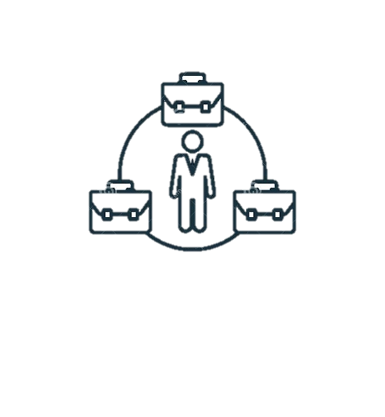

Work
Enviornment

Career Aspirations
GenZ - Career Aspirations


career looks close to your Aspirational job
 | Total
Instructor or Expert Learning Programs | 13.51%
Learning by observing others | 17.10%
Manager Teaching you | 9.41%
Self Purchased Course from External Platforms | 4.64%
Trial and error by doing side projects within the company | 18.08%
Instructor or Expert Learning Programs | 11.96%
Learning by observing others | 2.98%
Self Paced Learning Portals | 5.59%
Self Paced Learning Portals of the Company | 16.34%
Trial and error by doing side projects within the company | 0.38%

work for a company whose mission is misaligned
 | Total
Will NOT work for them | 73.22%
Will work for them | 26.78%

Overview

* By examining GenZ Aspirations data , we can identify Design and Creative strategy in any company is looks close for most of Aspirational job
* By analyzing data , we can identify areas where managers who sets a goal and helps achieve it with their employees. This information could be used to develop training programs for managers and improve overall communication within the company.

Career Aspirations

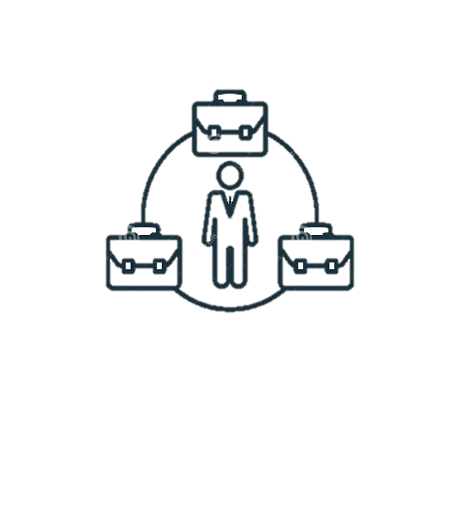
Higher Education Aspirations
 | Total
No I would not be pursuing Higher Education outside of India | 30.00%
No, But if someone could bare the cost I will | 21.80%
Yes, I will earn and do that | 48.21%

Work
Enviornment

Work Enviornment
GenZ - Career Aspirations


Most preferred working environment
 | Total
Every Day Office | 18.92%
Work from Home | 7.36%
Options to travel when needed | 30.00%
Hybrid Working with less than 10 days a month | 3.09%
Hybrid Working with less than 15 days a month | 6.08%
Hybrid Working with less than 3 days a month | 13.74%
Hybrid Working with more than 15 days a month | 20.81%

Setup like to work
 | Total
Work with 2 to 3 people in my team | 7.28%
Work with 5 to 6 people in my team | 11.20%
Work with 7 to 10 or more people in my team | 6.22%
Work with more than 10 people in my team | 6.57%
Work alone | 12.39%
Work with 2 to 3 people in my team | 20.65%
Work with 5 to 6 people in my team | 20.96%
Work with 7 to 10 or more people in my team | 7.36%
Work with more than 10 people in my team | 7.38%

Overview

Career Aspirations
Employers would you work with
 | Total
Employer who appreciates learning and enables that environment | 27.70%
Employer who pushes your limits and doesn't enables learning environment and never rewards you | 2.38%
Employer who pushes your limits by enabling an learning environment, and rewards you at the end | 52.66%
Employer who rewards learning and enables that environment | 15.71%
Employers who appreciates learning but doesn't enables an learning environment | 1.54%

Rate company whose mission is not bringing social impact
 | Total
1 | 1418
2 | 1428
3 | 3114
4 | 3648
5 | 16090
6 | 9156
7 | 11970
8 | 10992
9 | 6750
10 | 9480



Work
Enviornment

